LOGIC SHEET
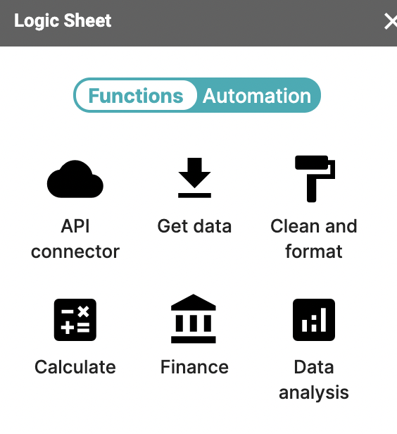
https://docs.logicsheet.co/

COUPLER
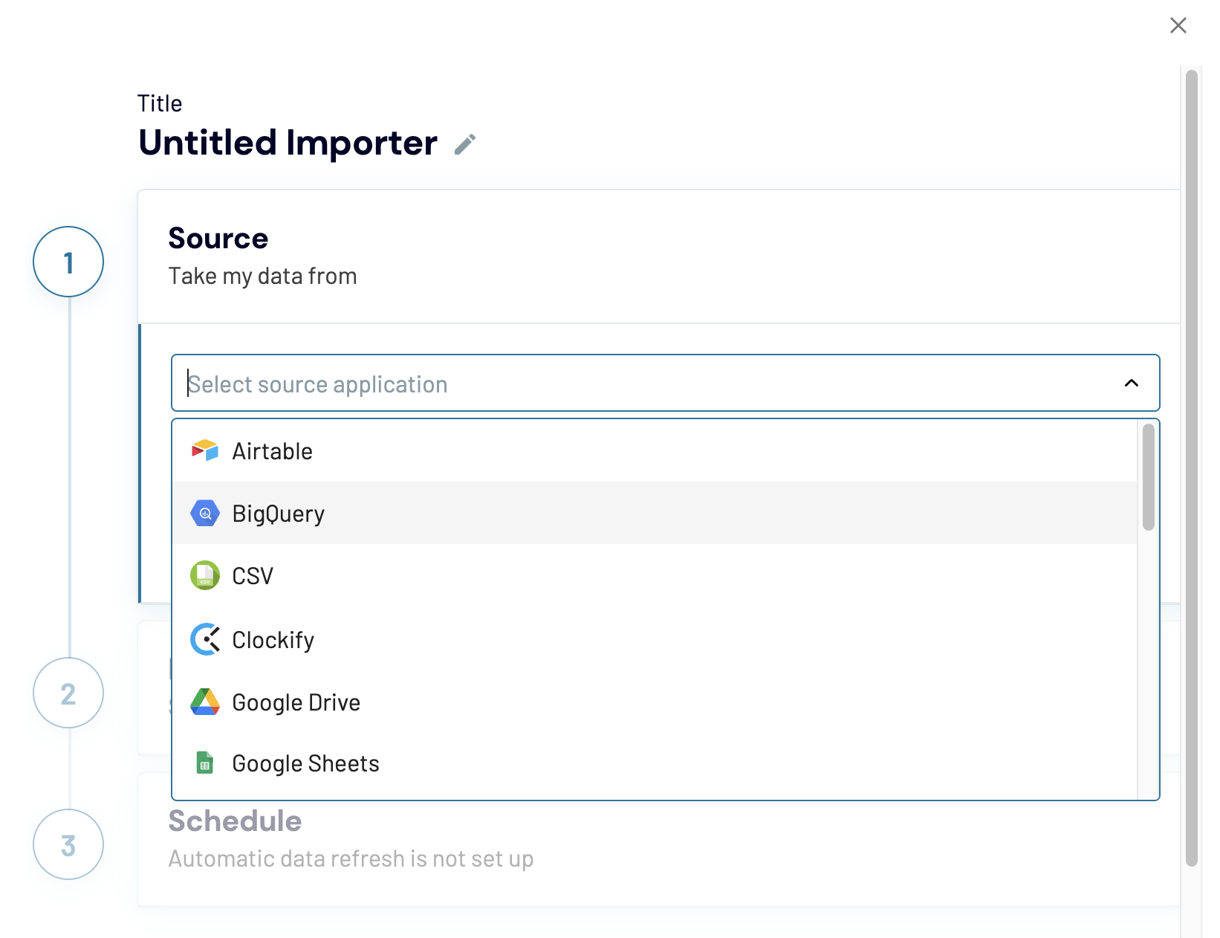
Coupler.io

SYNCWITH
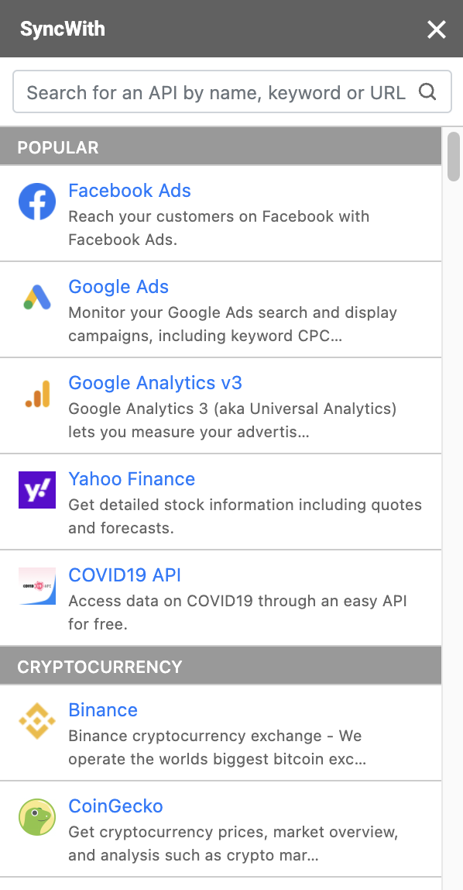
SYNCWITH

